Contents
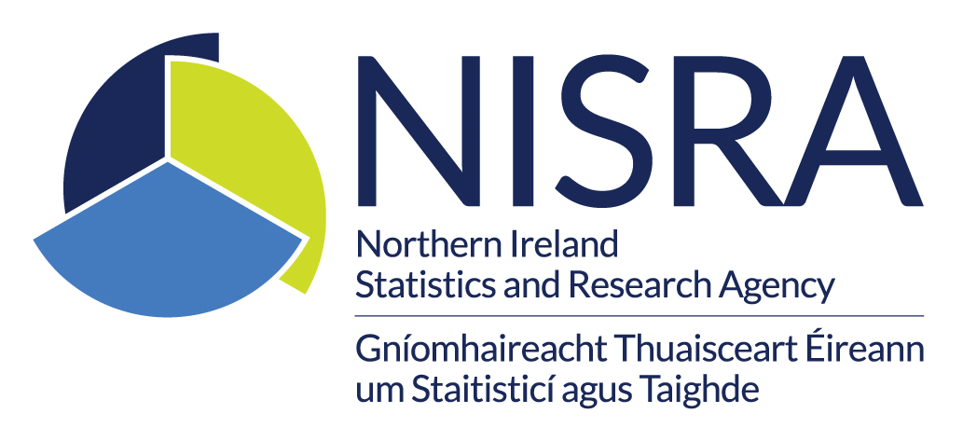
Liquor Licences in Northern Ireland 2025
Contents
Table Number | Table Title
Table 1 | Number of liquor licences for public houses by Local Government District (LGD)
Table 2 | Number of liquor licences for public houses by District Electoral Area (all)
Table 3 | Number of liquor licences for public houses by District Electoral Area level for Antrim and Newtownabbey LGD
Table 4 | Number of liquor licences for public houses by District Electoral Area level for Ards and North Down LGD
Table 5 | Number of liquor licences for public houses by District Electoral Area level for Armagh City, Banbridge and Craigavon LGD
Table 6 | Number of liquor licences for public houses by District Electoral Area level for Belfast LGD
Table 7 | Number of liquor licences for public houses by District Electoral Area level for Causeway Coast and Glens LGD
Table 8 | Number of liquor licences for public houses by District Electoral Area level for Derry City and Strabane LGD
Table 9 | Number of liquor licences for public houses by District Electoral Area level for Fermanagh and Omagh LGD
Table 10 | Number of liquor licences for public houses by District Electoral Area level for Lisburn and Castlereagh LGD
Table 11 | Number of liquor licences for public houses by District Electoral Area level for Mid and East Antrim LGD
Table 12 | Number of liquor licences for public houses by District Electoral Area level for Mid Ulster LGD
Table 13 | Number of liquor licences for public houses by District Electoral Area level for Newry, Mourne and Down LGD
Table 14 | Number of liquor licences held by off-licences
Table 15 | Historical number of liquor licences for public houses by Urban and Rural and by Multiple Deprivation Measure Quintile
Contacts
E-mail: | analyticsdivision@communities-ni.gov.uk

